Sheet1
 |  | Value | dPWM1 | dPWM2 | dPWM3 | count1 | count2 | count3 | Note
B1 | MFR_SOFTSTART_IRQ_RATE_SEL | 7 |  |  |  |  |  |  | Desired IRQ rate, where "3" is 4 cycles, "4" is 8 cycles, "5" is 16 cycles, "6" is 32 cycles and "7" is 64 cycles.
B2 | MFR_SOFTSTART_PWM_STEPSIZE | 030705 | 5 | 7 | 3 |  |  |  | LSB = 0.3906%. Step size set 0 to 15 is sufficient, so you can use 4 bits to define one slope. In this example I'm still using one byte for each slope
B3 | MFR_SOFTSTART_CYCLE_COUNT | 0E150B |  |  |  | 11 | 21 | 14 | LSB = 8 cycles. Step count is less important, can be simplified to one byte and combined with 0xB1 or 0xB2

 | Set your values below
Fsw= | 320 | kHz
Tsw= | 3.125 | us
duty_LSB= | 0.39%
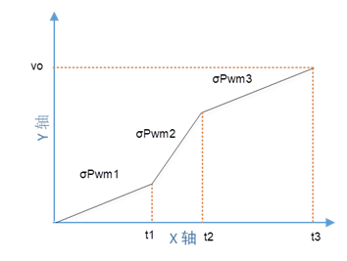
MAX_DUTY= | 96.50%
int_irq_sel | 64

 |  |  | σPWM1 | σPWM2 | σPWM3
 |  | Duty slope (σPWM) | 1.95% | 2.73% | 1.17%

 |  | Duty_start= | 0.00% | 21.48% | 78.90%
 |  | total duty incremented= | 21.48% | 57.42% | 16.41%
 |  | Duty_end= | 21.48% | 78.90% | 95.31%

 |  |  | t1 | t2 | t3
 |  | Actual t (us) = | 2,200 | 4,200 | 2,800

 |  | TOTAL STARTUP TIME (us) | 9,200

